Time
Determining Solar Versus Local Time

Step 1: In the table to the right, enter the local latitude and longitude angles of the location in degrees. For example, Las Cruces, NM, is at latitude 32.32 degrees north from the Equator and at longitude 106.75 degrees west from the Prime Meridian.
 |  |  |  |  |  |  |  | Location's Latitude Angle in degrees |  |  |  | 42.61172 | degrees
 |  |  |  |  |  |  |  | Location's Longitude Angle in degrees |  |  |  | 70.88361 | degrees
Step 2: In the same table to the right, enter the month and day for which you want to calculate the corresponding Julian Day (1–365) of the year, with 1 being Jan 1st and 365 being Dec 31st.
 |  |  |  |  |  |  |  | Enter the month and day to calculate the Julian day number:
Step 3: In the green cells below, enter the local time in the green "Enter the local time" cell. Enter the value for the hour using 24-hour time—for example, 2:30 pm would be 14 hours (Hr) and 30 minutes (Min). Finally, enter whether or not Daylight Saving Time is active, along with the corresponding Time Zone of the location. |  |  |  |  |  |  |  | Month |  | Day |  | Julian Day
 |  |  |  |  |  |  |  | February |  | 15 |  | 46

 |  |  | Hr | Min |  | Time in decimal |  | Julian Day Number for the 1st Day of Each Month
Enter the local time: (hours and min) |  |  | 9 | 22 |  | 9.37 |  | Month | n = | Month | n = | Month | n =
Are you in Daylight Saving Time (Y/N)? |  |  | N |  |  |  |  | January | 1 | May | 121 | September | 244
Time Zone (use drop-down menu) |  |  | Eastern |  |  |  |  | February | 32 | June | 152 | October | 274
 |  |  |  |  |  |  |  | March | 60 | July | 182 | November | 305
 |  | Calculations: |  |  |  |  |  | April | 91 | August | 213 | December | 335
Longitude Correction (B) |  |  | -34.62 | degrees
Equation of Time (E) |  |  | -14.57 | minutes |  |  |  |  |  | Local Time Zones
Local Meridian (degrees West of Greenwich) |  |  | 75 | degrees |  |  |  |  |  | Eastern | 75 | degrees West
Hours before (+) or after (-) solar noon |  |  | 2.60 | hours | or | 2:36:06 | BEFORE solar noon |  |  | Central | 90 | degrees West
 |  |  |  |  |  |  |  |  |  | Mountain | 105 | degrees West
 |  | Time Conversion |  |  |  |  |  |  |  | Pacific | 120 | degrees West
 | Decimal |  | 24-hour Format |  |  | 12-hour Format
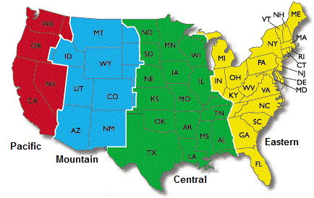
Solar Time is: | 9.40 |  | 9:23 |  |  | 9:23:54
On this day, solar noon is at this local time:
 | 11.97 |  | 11:58 |  |  | 11:58:06

Step 4: To convert from solar time to local time, use the input cells below. Enter the solar time in the green cells (hours in 24-hour time format). A decimal hour value and the corresponding local time for the location previously entered will be displayed.

 | Hr | Min |  | Time in decimal |  | 12-hour Format
Solar Time (ST) | 15 | 19 |  | 15.32 |  | 15:19:00
Local Time (CT) | 15 | 17 |  | 15.29 |  | 15:17:06

Angles
Determining Sun Angles for any Day/Time

Step 5: The table to the right shows the values previously entered: latitude and longitude angles, Julian day, local time, and solar time. These values are taken from the previous Time sheet entries. In the cells below, the solar angles are calculated for both the Solar Noon and the time specified. You do not have to enter any values within this sheet. |  |  | Latitude | 42.61172
 |  |  | Longitude | 70.88361
 |  |  | Julian Day | 46
 |  |  | Local Time in Decimal | 9.37
 |  |  | Solar Time in Decimal | 9.40

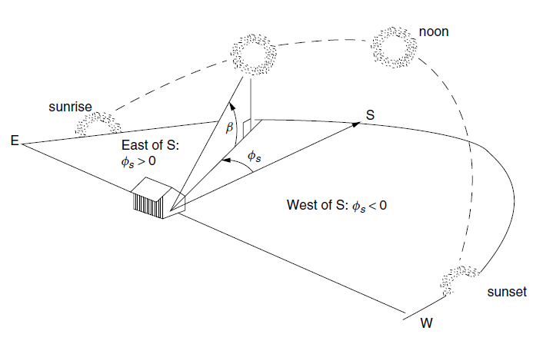
Solar Calculations at Solar Noon
Solar Declination (δ) | -13.29 | degrees
Solar Altitude (βn) sun angle from horizon at noon | 34.10 | degrees
Collector Tilt Angle (Σ) | 55.90 | degrees
Air Mass Ratio (m) | 1.784

Solar Calculations with Time Component
Hours before/after solar noon (+/-) | 2.60 | Hours Before
Solar Hour Angle (H) | 39.03 | degrees
Solar Altitude (βs) | 23.63 | degrees
Solar Azimuth Angle (Φs) | 41.98 | degrees East
Collector Tilt Angle (Σ) (optimal) | 66.37 | degrees
Air Mass Ratio (m) | 2.495

Position
Solar Position during the Day
 | Insolation | Solar Altitude
95.27 | 0.00 | -25.45
90.08 | 0.00 | -19.94
85.07 | 0.00 | -14.43
80.14 | 0.00 | -8.95
75.19 | 0.00 | -3.56
70.13 | 8.99 | 1.71
64.89 | 354.10 | 6.80
59.39 | 590.39 | 11.68
53.55 | 721.27 | 16.28
47.30 | 800.73 | 20.54
40.57 | 852.19 | 24.37
33.34 | 886.63 | 27.69
25.58 | 909.73 | 30.40
17.36 | 924.59 | 32.43
8.78 | 932.92 | 33.68
0.00 | 935.61 | 34.10
-8.78 | 932.92 | 33.68
-17.36 | 924.59 | 32.43
-25.58 | 909.73 | 30.40
-33.34 | 886.63 | 27.69
-40.57 | 852.19 | 24.37
-47.30 | 800.73 | 20.54
-53.55 | 721.27 | 16.28
-59.39 | 590.39 | 11.68
-64.89 | 354.10 | 6.80
-70.13 | 8.99 | 1.71
-75.19 | 0.00 | -3.56
-80.14 | 0.00 | -8.95
-85.07 | 0.00 | -14.43
-90.08 | 0.00 | -19.94
-95.27 | 0.00 | -25.45
 | Position of the Sun
95.27 | -25.45
90.08 | -19.94
85.07 | -14.43
80.14 | -8.95
75.19 | -3.56
70.13 | 1.71
64.89 | 6.80
59.39 | 11.68
53.55 | 16.28
47.30 | 20.54
40.57 | 24.37
33.34 | 27.69
25.58 | 30.40
17.36 | 32.43
8.78 | 33.68
0.00 | 34.10
-8.78 | 33.68
-17.36 | 32.43
-25.58 | 30.40
-33.34 | 27.69
-40.57 | 24.37
-47.30 | 20.54
-53.55 | 16.28
-59.39 | 11.68
-64.89 | 6.80
-70.13 | 1.71
-75.19 | -3.56
-80.14 | -8.95
-85.07 | -14.43
-90.08 | -19.94
-95.27 | -25.45

Solar angles and Insolation
 | Azimuth |  | Time
95.27 | -25.45 | 4.5 | 0.00
90.08 | -19.94 | 5 | 0.00
85.07 | -14.43 | 5.5 | 0.00
80.14 | -8.95 | 6 | 0.00
75.19 | -3.56 | 6.5 | 0.00
70.13 | 1.71 | 7 | 8.99
64.89 | 6.80 | 7.5 | 354.10
59.39 | 11.68 | 8 | 590.39
53.55 | 16.28 | 8.5 | 721.27
47.30 | 20.54 | 9 | 800.73
40.57 | 24.37 | 9.5 | 852.19
33.34 | 27.69 | 10 | 886.63
25.58 | 30.40 | 10.5 | 909.73
17.36 | 32.43 | 11 | 924.59
8.78 | 33.68 | 11.5 | 932.92
0.00 | 34.10 | 12 | 935.61
-8.78 | 33.68 | 12.5 | 932.92
-17.36 | 32.43 | 13 | 924.59
-25.58 | 30.40 | 13.5 | 909.73
-33.34 | 27.69 | 14 | 886.63
-40.57 | 24.37 | 14.5 | 852.19
-47.30 | 20.54 | 15 | 800.73
-53.55 | 16.28 | 15.5 | 721.27
-59.39 | 11.68 | 16 | 590.39
-64.89 | 6.80 | 16.5 | 354.10
-70.13 | 1.71 | 17 | 8.99
-75.19 | -3.56 | 17.5 | 0.00
-80.14 | -8.95 | 18 | 0.00
-85.07 | -14.43 | 18.5 | 0.00
-90.08 | -19.94 | 19 | 0.00
-95.27 | -25.45 | 19.5 | 0.00

Solar Position during the Day
 | Insolation | Solar Altitude
4.5 | 0.00 | -25.45
5 | 0.00 | -19.94
5.5 | 0.00 | -14.43
6 | 0.00 | -8.95
6.5 | 0.00 | -3.56
7 | 8.99 | 1.71
7.5 | 354.10 | 6.80
8 | 590.39 | 11.68
8.5 | 721.27 | 16.28
9 | 800.73 | 20.54
9.5 | 852.19 | 24.37
10 | 886.63 | 27.69
10.5 | 909.73 | 30.40
11 | 924.59 | 32.43
11.5 | 932.92 | 33.68
12 | 935.61 | 34.10
12.5 | 932.92 | 33.68
13 | 924.59 | 32.43
13.5 | 909.73 | 30.40
14 | 886.63 | 27.69
14.5 | 852.19 | 24.37
15 | 800.73 | 20.54
15.5 | 721.27 | 16.28
16 | 590.39 | 11.68
16.5 | 354.10 | 6.80
17 | 8.99 | 1.71
17.5 | 0.00 | -3.56
18 | 0.00 | -8.95
18.5 | 0.00 | -14.43
19 | 0.00 | -19.94
19.5 | 0.00 | -25.45

